Leave Tracker
<-- ONLY use to Change the Starting Month (else use the triagle icons)
<-- Select Year
December 2023
12
2023
 | TRUE | FALSE | FALSE | TRUE | TRUE | TRUE | TRUE | TRUE | FALSE | FALSE | TRUE | TRUE | TRUE | TRUE | TRUE | FALSE | FALSE | TRUE | TRUE | TRUE | TRUE | TRUE | FALSE | FALSE | FALSE | TRUE | TRUE | TRUE | TRUE | FALSE | FALSE
 | TRUE | FALSE | FALSE | TRUE | TRUE | TRUE | TRUE | TRUE | FALSE | FALSE | TRUE | TRUE | TRUE | TRUE | TRUE | FALSE | FALSE | TRUE | TRUE | TRUE | TRUE | TRUE | FALSE | FALSE | FALSE | TRUE | TRUE | TRUE | TRUE | FALSE | FALSE
 | 1900-01-01 | 1900-01-02 | 1900-01-03 | 1900-01-04 | 1900-01-05 | 1900-01-06 | 1900-01-07 | 1900-01-08 | 1900-01-09 | 1900-01-10 | 1900-01-11 | 1900-01-12 | 1900-01-13 | 1900-01-14 | 1900-01-15 | 1900-01-16 | 1900-01-17 | 1900-01-18 | 1900-01-19 | 1900-01-20 | 1900-01-21 | 1900-01-22 | 1900-01-23 | 1900-01-24 | 1900-01-25 | 1900-01-26 | 1900-01-27 | 1900-01-28 | 1900-01-29 | 1900-01-30 | 1900-01-31
Name | Fri | Sat | Sun | Mon | Tue | Wed | Thu | Fri | Sat | Sun | Mon | Tue | Wed | Thu | Fri | Sat | Sun | Mon | Tue | Wed | Thu | Fri | Sat | Sun | Mon | Tue | Wed | Thu | Fri | Sat | Sun
Raja Natarajan
Gautam V
Aditya Mugali
Praneeth Pasam
Sai Ajay Obili
Rohit Bhushan
Sujay T
Dhivya N
Siva Charan Reddy(H&N)
Karuppaiah selvaraj(H&N)
Akshaya Hariharapura
Yogapandian V E
Nandhakumar B
Vennapusa Guna Sekhara Reddy

Holidays
Holiday | Date
Republic day | 2023-01-26
May Day/Maharashtra Din | 2023-05-01
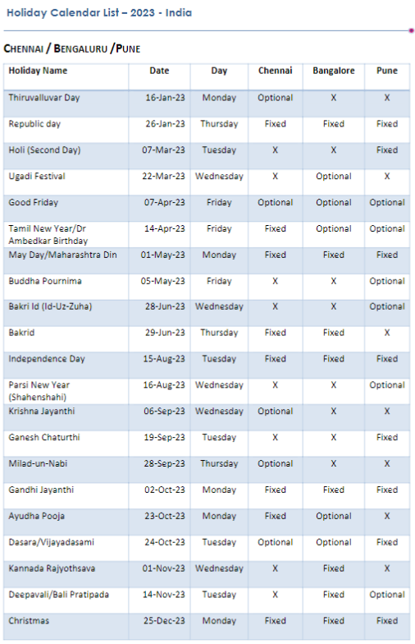
Bakrid | 2023-06-29
Independence Day | 2023-08-15
Gandhi Jayanthi | 2023-10-02
Kannada Rajyothsava | 2023-11-01
Deepavali/Bali Pratipada | 2023-11-14
Christmas | 2023-12-25

